Technical Notes
Technical Notes

Dimension | Technical Notes
Turnover | Teacher turnover looks at the rate at which teachers are leaving and being replenished within schools. We measure this by looking at regular (permanent and fixed term) teachers who were employed at a school in one year, and were no longer employed there in the next. In these tables, the overall number of teachers counted in turnover are presented as 'Total Turnover', but breakdowns of turnover into three component parts are also provided: Left Teaching: the number of teachers who were working as a regular teacher in the year displayed but were no longer employed as a teacher in the next year. Moved school: the number of regular teachers who have left a school to move to a regular teaching position at a different school in the next year Moved to day relief: the number of teachers who were in the regular teaching workforce in the displayed year and in the day relief teaching workforce in the next year 'Regular Teacher Headcount' is also provided. This is the total number of regular teachers each year, and is supplied in order to allow rates to be calculated using this as a denominator.

Year | This is the year that teachers enter the workforce.
School: Sector | Teachers are grouped into the primary or secondary sector depending on the type of the school they work in. The primary sector includes all primary schools, intermediates and special schools. The secondary sector includes all secondary schools and composite schools (including Te Kura, the correspondence school).

Teacher: Employment Type | The type of contract a teacher is on - Fixed Term or Permanent
Teacher: Full/Part Time | The type of contract a teacher is on - Full Time or Part Time
Teacher: Ethnic Group | The Ministry uses Statistics New Zealand's definition of ethnicity: ethnicity is the ethnic group or groups that people identify with or feel they belong to. Ethnicity is a measure of cultural affiliation, as opposed to race, ancestry, nationality or citizenship. Total response ethnicity is used here. This means that teachers can identify with up to 3 different ethnic groups, and have been counted in each ethnic group they belong to and once in "Total" Ethnic Group.

Teacher: Age 10yr Group | The age of the teacher, in ten year age-groups. Age is calculated as at 1 July for each year.
Teacher: Gender | The gender of the teacher.
School: Gender | The gender of the students that a school caters for, for example, co-educational, or single sex.
School: Equity Index Band | The Equity Index Band of a school is an indicator of the relative degree of socioeconomic barriers to educational achievement faced by students at the school, and is intended as a tool for analysing and reporting on socioeconomic trends in education data. Equity Index Bands are derived from the Equity Index used for school funding. There are seven Equity Index Bands each containing a similar number of schools. In order of increasing socioeconomic barriers the bands are named: “Fewest”, “Few”, “Below Average”, “Average”, “Above Average”, “Many”, and “Most”. While the equity index has been in use only since 2023, here Equity Index Bands are used from 2019 onwards. This is done using 2023 Equity index numbers in order to provide a time series for socioeconomic analysis, as 2023 EQI numbers provide a reasonable estimation of the socioeconomic circumstances of a school's learners back to 2019. Some schools are not assigned an Equity index band and are included under "Not Applicable". This includes: All private schools (these schools do not have an Equity Index number) Te Aho o Te Kura Pounamu (the unique nature of this school means that it is inappropriate for inclusion within an Equity Index Band or Group) Schools which are assigned a notional Equity Index number. These include Teen Parent Units, Activity Centres, Regional Health Schools, some specialist schools, and a small number of very small schools. These schools are assigned the maximum Equity Index number to reflect either the particular challenges unique to those settings, and/or limitations on data availability.

School: Equity Index Group | There are three groups of schools formed by collapsing the seven Equity Index Bands as follows. The “Fewest” and “Few” Equity Index Bands are combined to form the “Fewer” Equity Index Group. The “Many” and “Most” Equity Index Bands are combined to form the “More” Equity Index Group. The remaining Equity Index Bands are combined to form the “Moderate” Equity Index Group.

Relationship between the Schooling Equity Index, Equity Index bands and Equity Index Groups | 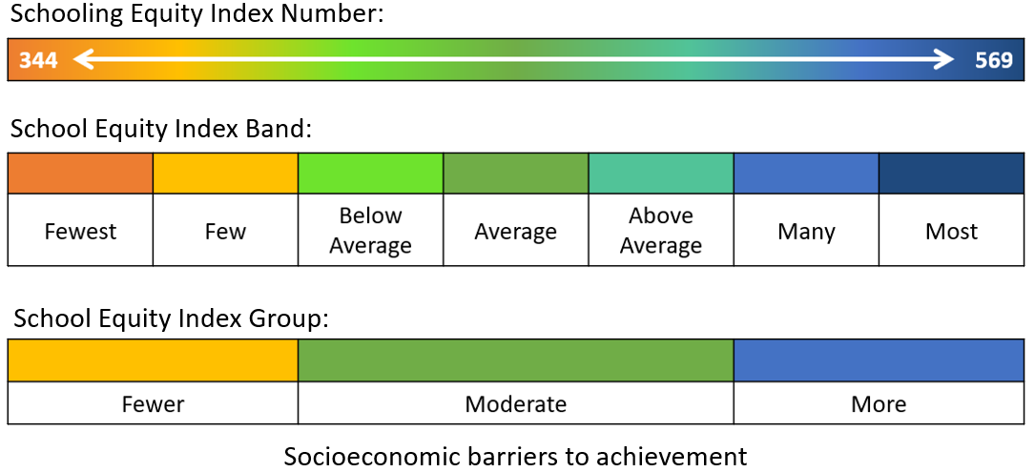

School: Decile | Up until 2022, decile was used by the Ministry as a mechanism for determining the level of equity funding that schools receive schools, and we have also used this as a way to understand socioeconomic trends in education data. From 2023 onward this has been replaced by the Schooling Equity Index. Schools were assigned a socioeconomic score based on five census derived socioeconomic factors. Decile 1 schools are the 10% of schools with the greatest proportion of students from the most socioeconomically deprived areas. Decile 10 schools are the 10% of schools with the greatest proportion of students from the least socioeconomically deprived areas.

School: Decile Grouped | School decile grouped into Low (Decile 1-3), Medium (Decile 4-7), and High (Decile 8-10). Available up until 2022.
School: Urban/Rural | A grouping based on the size and nature of the area of the school where the employee works their main teaching role for the year. These groupings are based on Statistics New Zealand definitions:

 | Main urban | Main urban areas are very large urban areas centred on a city or major urban centre. Main urban areas have a minimum population of 30,000.

 | Secondary urban | Secondary urban areas have a population between 10,000 and 29,999 and are centred on the larger regional centres.
 | Minor urban | Minor urban areas are urbanised settlements (outside main and secondary urban areas), centred around smaller towns with a population between 1,000 and 9,999.

 | Rural | Those living in rural settlements or townships, also includes areas with a population between 300 and 999.
Region: Education Region | The Education Region linked to the school where the teacher is employed.
Region: Regional Council | The Regional Council linked to the school where the teacher is employed. Regional council boundaries are defined by Statistics New Zealand.
Region: Territorial Authority | The Territorial Authority area linked to the school where the teacher is employed. Territorial Authority boundaries are defined by Statistics New Zealand.
Region: Te Mahau Takiwā | The Te Mahau Takiwā linked to the school where the teacher works their main teaching role for the year. Te Mahau Takiwā are Ministry of Education regional groupings used for operational purposes.

